Case Summary
...
Case Summary Tab
This worksheet produces summary counts for cases. It is to help your facility keep track of the total number of reported illness by each respiratory virus. The numbers in this worksheet are automatically populated from the information inputted in the Case Tracking sheet.
The Hospitalization count only includes residents who were hospitalized as a result of the respiratory illness.
The Death count only includes residents who died as a result of the respiratory illness.
This sheet has been “locked” which means that the user will not be able to change the formulas or enter anything in this worksheet.

 | COVID Summary

 | Total Cases | Active Cases | Hospitalizations | Deaths
 | 0 | 0 | 0 | 0

 | Other Respiratory Pathogen Summary

Case Definitions:
ILI: Acute onset of respiratory illness with fever and cough and with one or more of the following: sore throat, arthralgia, myalgia, or prostration which could be due to influenza virus. In children under 5, gastrointestinal symptoms may also be present. In patients under 5 or 65 and older, fever may not be prominent.
Influenza Outbreak Residential institutions (facilities) outbreak: Two or more cases of ILI in residents, patients or clients within a 7 day period in Island Health, cases must be epidemiologically linked (more than one room/floor/common area/staff).
COVID Outbeak in Long Term-Care: A COVID-19 outbreak in long-term care is declared when the following criteris are met:
1. An unexpected increase in COVID-19 cases or case severity among residents which may involve a rapid increase in cases amongst residents with no known contact with other identified cases; which
2. Is not responding or expected to respond to usual infection prevention and control measures; and/or resident susceptibility to severe illness has been deemed to be particularly high; and
3. The application of additional control measures (i.e, those in Appendix 6) are considered to have a higher overall benefit than risk.
 | Total Cases | Hospitalizations | Deaths
 | 0 | 0 | 0

 | *Active cases not counted as infectious period is undefined.
...
Hospitalizations | Deaths
0 | 0

Facility Information
Facility Information Tab
This worksheet is to be filled out by LTC staff.
Note for # resident and # staff the following definitions should be followed:
Residents: Refers to number of long term care facility residents living in facility. Note: If you have multiple levels of care within your facility (i.e both assisted and long term care) the number of residents should be restricted to individuals living in the long term care portion only.
Staff: Total # of long term care facility staff should be the number of full-time, part-time, and casual paid staff working in the facility. Staff should be included in the total if the facility considers them to be available for work (i.e., they are regularly scheduled or could be called in). The total number of staff includes staff with direct contact with residents. It includes staff with indirect contact with residents, i.e., administrative and non-patient care staff. It includes staff contracted for services such as housekeeping, laundry, dietary services, food services, and personal services who work regularly (2-3 times/week). It includes practicum students. It excludes volunteers and visitors. Note: If you have multiple levels of care within your facility (i.e both assisted and long term care) the number of staff should be restricted to individuals associated with the long term care portion only.
Facility Details

 | Facility Name

 | Address
 | Street Number and Name
 | City
 | Postal Code

 | Contact Person

 | Phone Number (direct to contact person)

 | After Hours Telephone Number

 | Email (direct to contact person)

Resident and Staff Details

 | # Residents in the facility | # of Staff in the facility

Influenza Only

 | Date anti-viral prophylaxis started (dd-mmm-yyyy)

Case Tracking Sheet
...
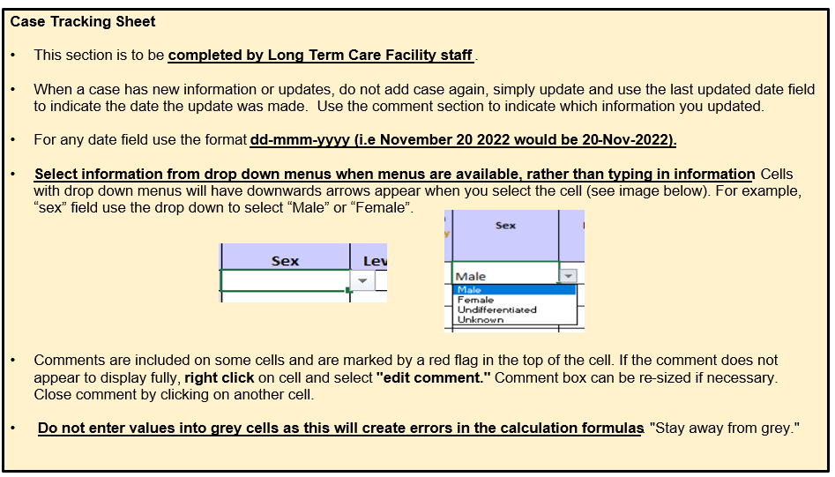
Acquisition | Hospitalized d/t viral resp. Illness (Yes/No) | Died d/t viral resp illness? (Yes/No) | Date of Death dd-mmm-yyyy | Last Updated Date dd-mmm-yyyy | Comments and/or Updates
...

